Analysis 1
Part 1
Segment | Total Sales | Query Results |  |  |  |  |  | Davuth's Way
Consumer | 44490992.24 |  |  |  | Jose's Way
Home Office | 16736939.08 |  | SQL Query
Corporate | 27011128.71

 |  |  |  |  |  | SELECT
 |  |  | SELECT |  |  |  | c.segment, SUM(sales) as Total_Sales
 |  |  |  | c.segment, SUM(sales) as Total_Sales |  |  | FROM ORDERS o
 |  |  |  | FROM ORDERS o |  |  | Left join customers c on o.customer_id = c.customer_id
 |  |  |  | Left join customers c on o.customer_id = c.customer_id |  |  | Left join returns r2 on o.order_id = r2.order_id
 |  |  |  | Left join returns r2 on o.order_id = r2.order_id |  |  | Left join regions r on o.region_id = r.region_id
 |  |  |  | Left join regions r on o.region_id = r.region_id |  | where r.region = 'Americas' AND return_quantity IS null
 |  |  | where r.region = 'Americas' AND return_quantity IS null |  |  | AND c.segment = 'Home Office' AND EXTRACT(year FROM order_date) != '2015'
 |  |  | AND c.segment = 'Consumer' AND EXTRACT(year FROM order_date) != '2015' |  |  | AND EXTRACT(year FROM order_date) != '2020'
 |  |  | AND EXTRACT(year FROM order_date) != '2020' |  |  | Group by c.segment;
 |  |  | Group by c.segment

 |  |  | UNION

 |  |  | SELECT
Segment | Total Sales |  |  | c.segment, SUM(sales) as Total_Sales
Consumer | 44490992.24 |  |  | FROM ORDERS o
Home Office | 16736939.08 |  |  | Left join customers c on o.customer_id = c.customer_id
Corporate | 27011128.71 |  |  | Left join returns r2 on o.order_id = r2.order_id
 |  |  |  | Left join regions r on o.region_id = r.region_id
 |  |  | where r.region = 'Americas' AND return_quantity IS null
 |  |  | AND c.segment = 'Corporate' AND EXTRACT(year FROM order_date) != '2015'
 |  |  | AND EXTRACT(year FROM order_date) != '2020'
 |  |  | Group by c.segment

 |  |  | UNION

 |  |  | SELECT
 |  |  |  | c.segment, SUM(sales) as Total_Sales
 |  |  |  | FROM ORDERS o
 |  |  |  | Left join customers c on o.customer_id = c.customer_id
 |  |  |  | Left join returns r2 on o.order_id = r2.order_id
 |  |  |  | Left join regions r on o.region_id = r.region_id
 |  |  | where r.region = 'Americas' AND return_quantity IS null
 |  |  | AND c.segment = 'Home Office' AND EXTRACT(year FROM order_date) != '2015'
 |  |  | AND EXTRACT(year FROM order_date) != '2020'
 |  |  | Group by c.segment;
PART 1
Summary:
This analysis tested the hypothesis that the Corporate segment would be the highest grossing segment.
Tried to go with a super specific approach and removed partial sales years and sales that included returns.
This turned out to be false, as the highest grossing segment is Consumer.

Reccomendations:
With the change that the pandemic brought to working from home, the category of Home Office would be a good category to try and build up.
The home office category, is currently the least grossing category.
Corporate clients could present an opportunities from the "Big Fish" variety.

PART 2 |  | Query Results
Category | Total sales
Furniture | 28261581.48 |  | SQL Query
Office Supplies | 26657683.03 |  |  |  |  |  |  | Davuth's Way
Technology | 33319795.52 |  |  |  | Jose's Way
 |  |  |  |  |  | SELECT
 |  |  | SELECT |  |  |  | p.category, SUM(sales) as Total_Sales
 |  |  |  | p.category, SUM(sales) as Total_Sales |  |  | FROM ORDERS o
 |  |  |  | FROM ORDERS o |  |  | Left join products p on o.product_id = p.product_id
 |  |  |  | Left join products p on o.product_id = p.product_id |  |  | Left join returns r2 on o.order_id = r2.order_id
 |  |  |  | Left join returns r2 on o.order_id = r2.order_id |  |  | Left join regions r on o.region_id = r.region_id
 |  |  |  | Left join regions r on o.region_id = r.region_id |  | where r.region = 'Americas' AND return_quantity IS null
 |  |  | where r.region = 'Americas' AND return_quantity IS null |  |  | AND EXTRACT(year FROM order_date) != '2015'
 |  |  | AND p.category = 'Technology' AND EXTRACT(year FROM order_date) != '2015' |  |  | AND EXTRACT(year FROM order_date) != '2020'
 |  |  | AND EXTRACT(year FROM order_date) != '2020' |  |  | Group by p.category;
 |  |  | Group by p.category

 |  |  | UNION

 |  |  | SELECT
 |  |  |  | p.category, SUM(sales) as Total_Sales
Category | Total sales |  |  | FROM ORDERS o
Furniture | 28261581.48 |  |  | Left join products p on o.product_id = p.product_id
Office Supplies | 26657683.03 |  |  | Left join returns r2 on o.order_id = r2.order_id
Technology | 33319795.52 |  |  | Left join regions r on o.region_id = r.region_id
 |  |  | where r.region = 'Americas' AND return_quantity IS null
 |  |  | AND p.category = 'Office Supplies' AND EXTRACT(year FROM order_date) != '2015'
 |  |  | AND EXTRACT(year FROM order_date) != '2020'
 |  |  | Group by p.category

 |  |  | UNION

 |  |  | SELECT
 |  |  |  | p.category, SUM(sales) as Total_Sales
 |  |  |  | FROM ORDERS o
 |  |  |  | Left join products p on o.product_id = p.product_id
 |  |  |  | Left join returns r2 on o.order_id = r2.order_id
 |  |  |  | Left join regions r on o.region_id = r.region_id
 |  |  | where r.region = 'Americas' AND return_quantity IS null
 |  |  | AND p.category = 'Furniture' AND EXTRACT(year FROM order_date) != '2015'
 |  |  | AND EXTRACT(year FROM order_date) != '2020'
 |  |  | Group by p.category;
PART 2
Summary:
This analysis tested the hypothesis that the Technological segment would be the highest grossing segment.
Again, went super spefic approach and removed partial sales years and sales that included returns.
This turned out to be falserue, as the highest grossing segment is Technology.

Reccomendations:
Technology is such a big piece of the world that we live in today, I recommend to continue to make this segment a priority.

Analysis 2
PART 1

year | total_sales | category | Query Results
2015 | 41.85 | Technology
2016 | 1287650.56 | Technology |  | SQL Query
2017 | 4345635.13 | Technology |  | SELECT
2018 | 9530354.18 | Technology |  |  | EXTRACT(year FROM order_date) AS year, SUM(sales) as Total_Sales, p.category
2019 | 18156155.65 | Technology |  | FROM ORDERS o
2020 | 602568.36 | Technology |  |  | Left join products p on o.product_id = p.product_id
 |  |  |  |  | Left join returns r2 on o.order_id = r2.order_id
 |  |  |  |  | Left join regions r on o.region_id = r.region_id
 |  |  |  | where r.region = 'Americas' AND return_quantity IS null
 |  |  |  | AND p.category = 'Technology'
 |  |  |  | Group BY Extract(year FROM order_date), p.category;

PART 2
2020 sales were only for January, and I wanted to compare them to 2019 January. I landed 2020 sales with the first query below but had to use the second one to be able to compare to 2019 by changing the year.
However In January 2020 the pandemic had not really started yet and sales were down without a known reason

SELECT | SUM(sales) as Total_Sales
 | FROM ORDERS o
 | Left join products p on o.product_id = p.product_id
 | Left join returns r2 on o.order_id = r2.order_id
 | Left join regions r on o.region_id = r.region_id
 | Left join customers c on o.customer_id = c.customer_id

where r.region = 'Americas' AND return_quantity IS null | AND EXTRACT(year FROM order_date) = '2020'

SELECT | SUM(sales) as Total_Sales
 | FROM ORDERS o
 | Left join products p on o.product_id = p.product_id
 | Left join returns r2 on o.order_id = r2.order_id
 | Left join regions r on o.region_id = r.region_id
 | Left join customers c on o.customer_id = c.customer_id

where r.region = 'Americas' AND return_quantity IS null AND | '2020-01-01' <= order_date AND order_date < '2020-02-01'

total_sales_2020
1633708.62

SELECT | SUM(sales) as Total_Sales
 | FROM ORDERS o
 | Left join products p on o.product_id = p.product_id
 | Left join returns r2 on o.order_id = r2.order_id
 | Left join regions r on o.region_id = r.region_id
 | Left join customers c on o.customer_id = c.customer_id

where r.region = 'Americas' AND return_quantity IS null AND | 2019-01-01' <= order_date AND order_date < '2019-02-01'

total_sales_2019
2425541.83

Summary
We were testing out that Hypothesis that sales were going up year over year.
The analysis revealed two things: Years 2015 and 2016 were not complete years of sales. Then when Jan 2020 was compared to Jan 2019, sales declined.
More research will need to be done to understand wy sales declined in January 2020. If it had been march or April, we could have blamed the pandemic.

Reference
Reference
Include queries (and their results) that you explored but did not find useful for your hypotheses

SQL Query
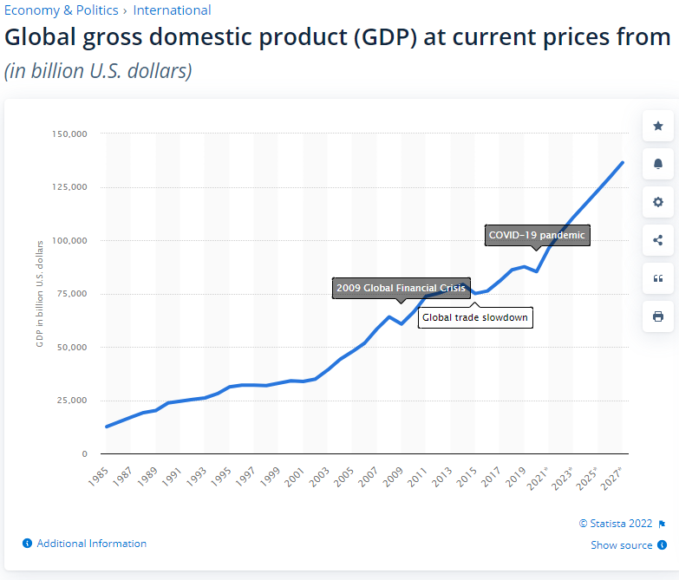

I thought it would have been nice to include some details of the difference between total sales and sales w/ retunrs.

select c.segment, sum(o.sales) AS Total_Sales,
 | (select sum(o2.sales) AS Sales_returns
from orders o2

 | Left join customers c2 on o2.customer_id = c2.customer_id
 | Left join products p2 on o2.product_id = p2.product_id
 | Left join regions r3 on o2.region_id = r3.region_id
 | Left join returns r2 on o2.order_id = r2.order_id
where p2.category = 'Technology' AND r3.region = 'Americas' AND return_quantity IS null
 | AND c2.segment = c.segment
 | ),
 | sum(o.sales) - (select sum(o2.sales) AS Sales_returns
from orders o2

 | Left join customers c2 on o2.customer_id = c2.customer_id
 | Left join products p2 on o2.product_id = p2.product_id
 | Left join regions r3 on o2.region_id = r3.region_id
 | Left join returns r2 on o2.order_id = r2.order_id |  |  | https://www.statista.com/statistics/268750/global-gross-domestic-product-gdp/
where p2.category = 'Technology' AND r3.region = 'Americas' AND return_quantity IS null
 | AND c2.segment = c.segment)
 | AS difference
from orders o
 | Left join customers c on o.customer_id = c.customer_id
 | Left join products p on o.product_id = p.product_id
 | Left join regions r on o.region_id = r.region_id
where category = 'Technology' AND r.region = 'Americas'
Group by c.segment;

segment | total_sales | sales_returns | difference
Consumer | 18625232.87 | 17065395.04 | 1559837.83
Corporate | 11354948.48 | 10337073.8 | 1017874.68
Home Office | 7260015.28 | 6519936.89 | 740078.39

2020 sales were only for January, and I wanted to compare them to 2019 January. I landed 2020 sales with the first query below but had to use the second one to be able to compare to 2019 by changing the year.
However In January 2020 the pandemic had not really started yet and sales were down without a known reason

SELECT | SUM(sales) as Total_Sales, sum(profit) AS Total_Profit
 | FROM ORDERS o
 | Left join products p on o.product_id = p.product_id
 | Left join returns r2 on o.order_id = r2.order_id
 | Left join regions r on o.region_id = r.region_id
 | Left join customers c on o.customer_id = c.customer_id

where r.region = 'Americas' AND return_quantity IS null | AND EXTRACT(year FROM order_date) = '2020'

SELECT | SUM(sales) as Total_Sales, sum(profit) AS Total_Profit
 | FROM ORDERS o
 | Left join products p on o.product_id = p.product_id
 | Left join returns r2 on o.order_id = r2.order_id
 | Left join regions r on o.region_id = r.region_id
 | Left join customers c on o.customer_id = c.customer_id

where r.region = 'Americas' AND return_quantity IS null AND | '2020-01-01' <= order_date AND order_date < '2020-02-01'

SELECT | SUM(sales) as Total_Sales, sum(profit) AS Total_Profit
 | FROM ORDERS o
 | Left join products p on o.product_id = p.product_id
 | Left join returns r2 on o.order_id = r2.order_id
 | Left join regions r on o.region_id = r.region_id
 | Left join customers c on o.customer_id = c.customer_id

where r.region = 'Americas' AND return_quantity IS null AND | 2019-01-01' <= order_date AND order_date < '2019-02-01'

*Please see word document for more complete list of queries pulled

